Sheet 1
Table 1
 |  |  |  |  |  | 图片Picture | 价格Price
1 | K2788 | BRAKE SHOE | Outer diameter:200mm width:37mm | 200 |  |  |  | ￥0.00
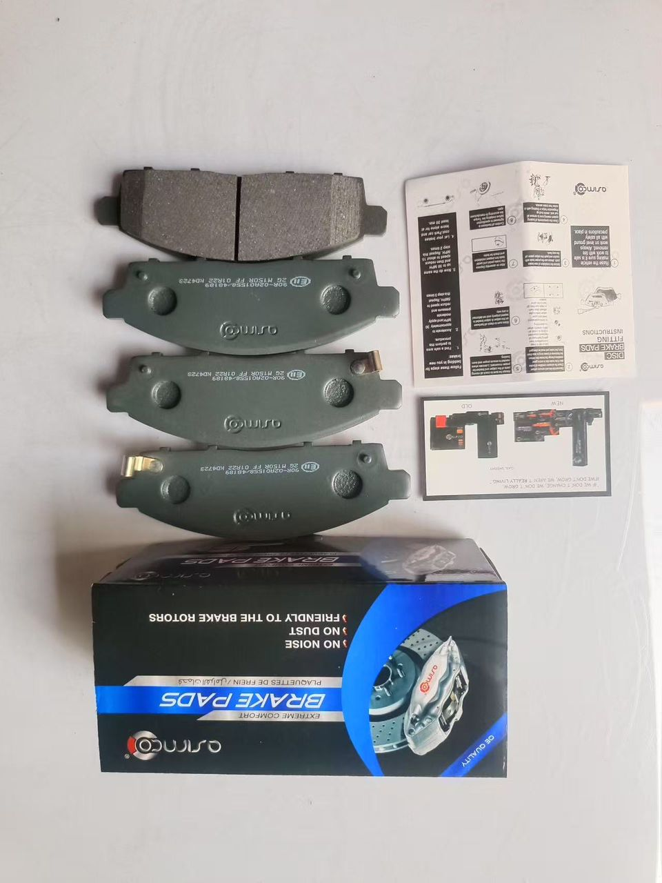
2 | K2750 | BRAKE SHOE | Outer diameter: 180mm; width:27.8mm | 80 |  |  |  | ￥0.00
3 | 04495-0K160 | BRAKE SHOE | Outer diameter:294mm;width: 51.5mmTOYOTA | 100 |  |  |  | ￥0.00
4 | 04495-26240 | BRAKE SHOE | Outer diameter:253.8mm;width:51.6mm | 100 |  |  |  | ￥0.00
5 | KD2701 | BRAKE PAD | Length:112.2mm;Width:46.5mm; Thickness: 16.5mm TOYOTA YARIS ECHO PLATZ | 200 | Asmico |  | ￥21.00 | ￥4,200.00
6 | KD2718 | BRAKE PAD | TOYOTA COROOLA 1992-1999 RAV4 1994-2000 CAMRY 4 1991-2000 | 100 | Asmico |  | ￥25.00 | ￥2,500.00
 | KD2726 | BRAKE PAD | COROLLA 2001-2007 PREMIO 2001-2007 PRIUS 2003-2009 YARIS 2000-2005 | 150 | Asmico |  | ￥21.00 | ￥3,150.00
8 | KD2772 | BRAKE PAD | AVALON 2012-2018 CAMRY 2017- COROLLA 2021- RAV4 3 2006-2013 | 200 | Asmico |  | ￥19.50 | ￥3,900.00
9 | KD2773 | BRAKE PAD | RAV4 2005-2013 MARK X 2007- PRIUS MPV ZXW4 2011- | 100 | Asmico |  | ￥25.50 | ￥2,550.00
10 | KD2776 | BRAKE PAD | CAMRY 1990-1994 CARINA V 1987-1992 COROLLA 1985-1989 COROLLA 1989-1992 | 200 | Asmico |  | ￥20.50 | ￥4,100.00
= | KD3717 | BRAKE PAD | SUZUKI GRAND 1998-2003 2003-2006 Chevrolet 1998-2004 | 80 | Asmico |  | ￥20.50 | ￥1,640.00
12 | KD3736 | BRAKE PAD | FORD FUSION 2002-2012 FORD PUMA 1997-2002 MAZDA 2003-2007 | 100 | Asmico |  | ￥27.00 | ￥2,700.00
 | 12361-54121 12361-54212 | ENGINE MOUNTING | HILUX RN 65 | 20 | 丰田标签 | =DISPIMG("ID_FB6EB59C5EDD4B16BC06D6B1818921AD",1) | ￥20.00 | ￥400.00
14 | 12361-54121 | ENGINE MOUNTING | HILUX RN 65 | 50 | 丰田标签 |  | ￥20.00 | ￥1,000.00
 | 12361-54143 | ENGINE MOUNTING | HILUX RN30 1978 | 50 | 丰田标签 | =DISPIMG("ID_78C83D971300488DB6774240A9912C22",1) | ￥25.00 | ￥1,250.00
16 | 12371-0D060 | ENGINE MOUNTING | COROLLA 2000-2008 COROLLA ALITS 2003- | 20 | 丰田标签 | =DISPIMG("ID_97E021EB9F0547178A9674E2B359C1E2",1) | ￥44.00 | ￥880.00
17 | 12371-0L080 | ENGINE MOUNTING | FORTUNER 2005 VEGO AT 4WD | 20 | 丰田标签 |  | ￥70.00 | ￥1,400.00
19 | 12361-0L030 | ENGINE MOUNTING | HILUX 2004- | 20 | 丰田标签 | =DISPIMG("ID_0C67B7DD533246B9A8106E981BBD3E2F",1) | ￥28.00 | ￥560.00
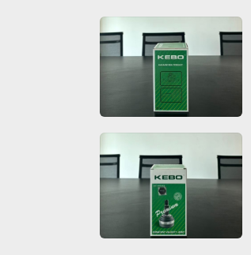
21 | TO-004 | CV JOINT | TOYOTA COROLLA | 50 | HDK |  |  | ￥0.00 | KEBO
22 | (32*56*26) TO-27 | CV JOINT | TOYOTA HILUX YN& | 50 | HDK |  | ￥65.00 | ￥3,250.00 | KEBO
23 | (23*56*26) TO-04 | CV JOINT | Toyota Corolla Nze120 | 50 | HDK |  | ￥55.00 | ￥2,750.00 | KEBO
24 | TO-83 | CV JOINT | TOYOTA COROLLA | 50 | HDK |  | ￥65.00 | ￥3,250.00 | KEBO
25 | TO-02 | CV JOINT | TOYOTA COROLLA 2000-2008 | 50 | HDK |  | ￥68.00 | ￥3,400.00 | KEBO
30 | 47201-60A00 | BRAKE MASTER | Land Cruiser 90-07 | 5 | carton packaging | =DISPIMG("ID_4E019415563C4E858450DFF439B0A855",1) | ￥80.00 | ￥400.00
31 | 47201-52330-BGF | BRAKE MASTER | Yaris 1999-2005 | 5 | carton packaging | =DISPIMG("ID_EDB49363F13649DD8278885218A94874",1) | ￥80.00 | ￥400.00
32 | 31420-0K013 | CLUTCH MASTER | Hilux Vigo 06-15 | 5 | carton packaging | =DISPIMG("ID_58441F3E28D84AC09BD3D615CC713AB2",1) | ￥41.00 | ￥205.00
33 | 47550-0K010 | CYLINDER ASSY | Hilux 2004- | 50 | carton packaging |  | ￥54.00 | ￥2,700.00
34 | 16100-29115 | WATER PUMP | YARIS 1999-2005 | 10 | GMB |  | ￥54.00 | ￥540.00
35 | 16100-29155 | WATER PUMP | PRIUS 2000-2004 YARIS 1999-2005 | 10 | GMB |  | ￥54.00 | ￥540.00
36 | 16100-09140 | WATER PUMP | YARIS 1999-2005 | 10 | GMB |  | ￥54.00 | ￥540.00
37 | 16110-69045 | WATER PUMP | HIACE 1995- Land Cruiser-Prado 1995- 2002-2010 | 10 | GMB |  | ￥80.00 | ￥800.00
38 | 16100-39425 | WATER PUMP | HIACE 2004-HIACE V 2004- | 10 | GMB |  | ￥100.00 | ￥1,000.00
39 | 16100-19235 | WATER PUMP | COASTER BUS 1993- Land Cruiser 1998-2008 | 10 | GMB |  | ￥85.00 | ￥850.00
40 | 16110 19055 | WATER PUMP | Corolla E8 1983-1989 Corolla E9 1987-1994 Corolla E10 1992-1197 Corolla E8B 1984-1988 | 10 | GMB |  | ￥50.00 | ￥500.00 | What is the price for a belt pulley:68
41 | 16100-09260 | WATER PUMP | Hilux Vigo 2004-2018 | 10 | GMB |  | ￥100.00 | ￥1,000.00
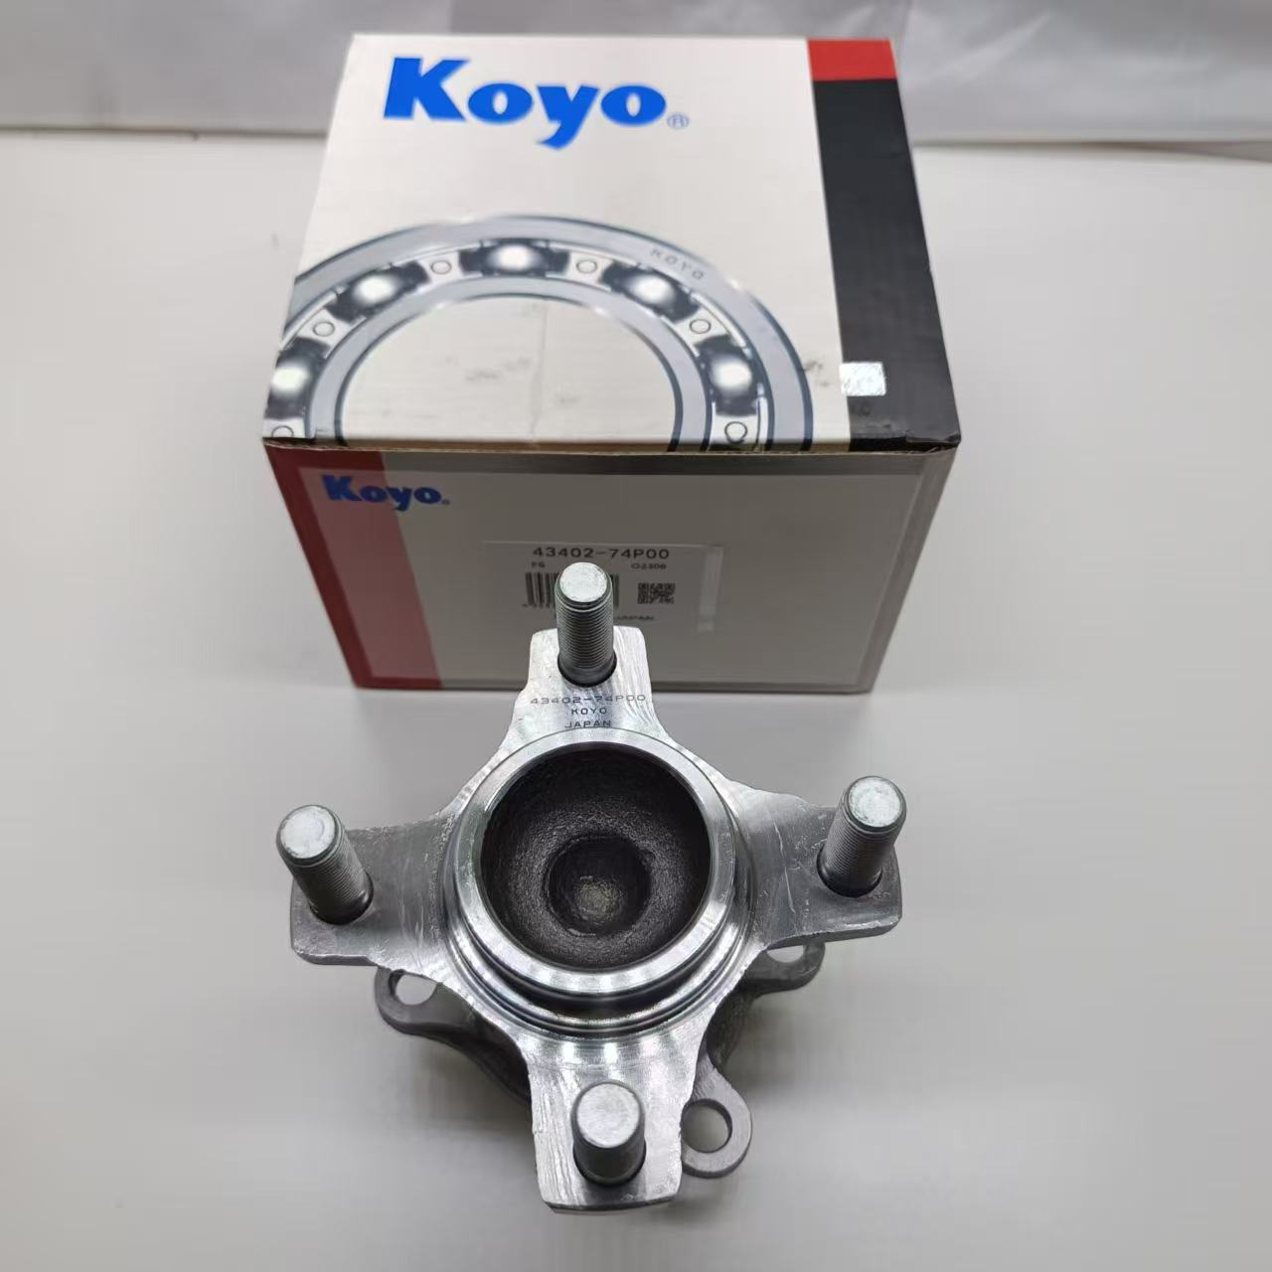
42 | R066/0282 | BEARING | TOYOTA HIACE 2005 | 50 | KOYO |  |  | ￥0.00
43 | R023 | BEARING | toyota corolla 2000-2008 | 50 | KOYO |  |  | ￥0.00
44 | 43560-0D070 | BEARING | YARIS 2010-2020 | 30 | KOYO |  | ￥130.00 | ￥3,900.00
45 | 43550-0D050 | BEARING | YARIS 201-2019 | 30 | KOYO |  | ￥130.00 | ￥3,900.00
46 | R033 | BEARING | toyota corolla 2007-2014 Rav 4 2006-2008 |  | KOYO |  |  | ￥0.00
 | 23301-54460/23303-54460 | FUEL FILTER CAP | Toyota for Hilux for 4runner | 30 |  |  | ￥17.50 | ￥525.00
59 | 48725-26030 | BUSH | Toyota GRANVIA Hiace RCH10,11,16 | 50 | RBI |  | ￥20.00 | ￥1,000.00
62 | 45535-0K010-R | Boot, Steering Rack | Toyota Vigo RH | 150 | RBI |  | ￥6.00 | ￥900.00 | Regular packaging, can be paired with Toyota labels
63 | 45536-0K010-L | Boot,Steering Rack | Toyota Vigo LH | 150 | RBI | =DISPIMG("ID_DAAF94B036284DA3BE3810D1B83C4BDB",1) | ￥6.00 | ￥900.00
64 | 43447-0K020 | STABILIZER LINK | Stabilizer Link | 100 | RBI |  | ￥9.00 | ￥900.00
65 | 43448-0K020 | BOOT STEERING RACK | Boot, Steering Rack | 100 | RBI | =DISPIMG("ID_108AFEDFB0AC489BAD68C0262019F8D1",1) | ￥9.00 | ￥900.00
66 | 45535-52050 | STEERING RACK | Toyota Vigo | 100 | RBI | =DISPIMG("ID_696F1ED404E8477EA4F61860186C5BD4",1) | ￥6.50 | ￥650.00
67 | 45535-26030 | STEERING RACK | LAND CRUISER Prado 2002-2010 | 100 | RBI | =DISPIMG("ID_B936A09471BE40A282FD392DDADBCD53",1) | ￥5.50 | ￥550.00
69 | 48609-0D080 | STRUT MOUNT | VIOS NCP42 2002 | 50 | RBI |  | ￥22.00 | ￥1,100.00
 | B2220 | SHOCKABSORBER | Yaris 1999-2005 | 80 | TOKICO |  | ￥105.00 | ￥8,400.00
72 | B3232 | SHOCKABSORBER | Corolla 1997-2002 RH | 50 | TOKICO |  | ￥115.00 | ￥5,750.00
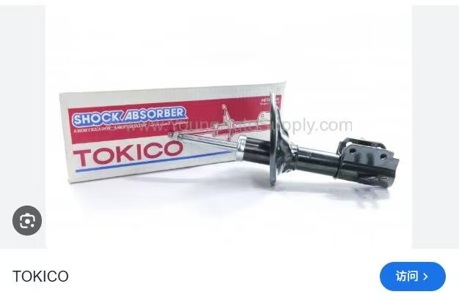
73 | B3233 | SHOCKABSORBER | Corolla 1997-2002 LH | 50 | TOKICO |  | ￥115.00 | ￥5,750.00
74 | B3239 | SHOCKABSORBER | Yairs 2005-2014 RH | 50 | TOKICO |  | ￥115.00 | ￥5,750.00
 | B3240 | SHOCKABSORBER | Yairs 2005-2014 LH | 50 | TOKICO |  | ￥115.00 | ￥5,750.00
76 | B3245 | SHOCKABSORBER | Rav 4 2005-2013 RH | 85 | TOKICO |  | ￥130.00 | ￥11,050.00
77 | B3246 | SHOCKABSORBER | Rav 4 2005-2013 LH | 85 | TOKICO |  | ￥130.00 | ￥11,050.00
78 | B3285-R | SHOCKABSORBER | RAV 4 2000-2005 RH | 75 | TOKICO |  | ￥128.00 | ￥9,600.00
79 | B3286-L | SHOCKABSORBER | RAV 4 2000-2005 LH | 75 | TOKICO |  | ￥128.00 | ￥9,600.00
80 | E20045 | SHOCKABSORBER | Yaris 2013-2016 | 50 | TOKICO |  | ￥60.00 | ￥3,000.00
81 | E2949 | SHOCKABSORBER | Yaris 1999-2005 | 50 | TOKICO |  | ￥65.00 | ￥3,250.00
82 | E2981 | SHOCKABSORBER | Yairs 2011-2018 | 50 | TOKICO |  | ￥60.00 | ￥3,000.00
83 | 90363-40066 | BEARING | Avengers 1997-2003 Corolla 2003-2007 Prius 2001-2005 | 50 | KOYO |  | ￥18.00 | ￥900.00
84 | 90369-38022 DAC3871W-3CS63 | BEARING | Yaris 1999-2005 | 50 | KOYO |  | ￥17.50 | ￥875.00
85 | 90369-38006 | BEANING | Pasco 1991-1999 Corolla Tercel 1993-1999 | 50 | KOYO |  | ￥28.50 | ￥1,425.00
86 | 90369-38003 | BEARING | Toyotao Camry 1986-1993 | 50 | KOYO |  | ￥30.00 | ￥1,500.00
87 | 90043-63213 | BEARING | For DAIHATSU | 50 | KOYO |  | ￥17.50 | ￥875.00
88 | DAC3871W-3CS63 90369-38022 | BEARING | Yaris 1999-2005 | 50 | KOYO |  | ￥17.50 | ￥875.00
90 | DG4094W-12RSHR 90363-40071 | BEARING | HIACE 2004- | 50 | KOYO |  | ￥16.50 | ￥825.00
93 | 90369 T0003 | BEARING | Toyota Hilux 2004 Land cruiser 2002-2010 | 100 | KOYO |  | ￥50.00 | ￥5,000.00
94 | 43560-26010 | BEARING | Toyota Hiace 1995- | 100 | KOYO |  | ￥50.00 | ￥5,000.00
96 | 48820-42020 | STABILIZER LINK SSY, | Rav 4 2000-2005 | 150 | RBI |  | ￥13.50 | ￥2,025.00 | Regular packaging, can be paired with Toyota labels
97 | 48820-0K010 | STABILIZER LINK SSY, | Hilux 2004- Hilux Vigo 2WD | 50 | RBI |  | ￥12.00 | ￥600.00
98 | 48820-0K030 | STABILIZER LINK SSY, | VIGO 4WD 2002-2012 | 80 | RBI |  | ￥12.00 | ￥960.00
99 | 48820-20010 | STABILIZER LINK SSY, | Land cruiser 2002-2010 | 150 | RBI |  | ￥10.00 | ￥1,500.00
100 | 48820-0D020R | STABILIZER LINK SSY, | Toyota Yaris | 50 | RBI |  | ￥12.00 | ￥600.00
101 | 48810-20020-CTT | STABILIZER LINK SSY, | Toyota Avengers 1997-2003 LH | 120 | RBI |  | ￥11.00 | ￥1,320.00
102 | 48820-20040-R | STABILIZER LINK SSY, | Toyota Avengers 1997-2003 RH | 150 | RBI |  | ￥11.00 | ￥1,650.00
103 | 48820-42030 | STABILIZER LINK SSY, | Prius Auris | 120 | RBI |  | ￥11.00 | ￥1,320.00
104 | 48830-42010-R | STABILIZER LINK SSY, | Toyota | 100 | RBI |  | ￥12.00 | ￥1,200.00
105 | 43340-39315 | JOINT | Toyota Prius 2010-2013 Corolla saloon 2006- Corolla saloon 2013-Rav4 2005-2013 | 10 | CTR |  | ￥25.50 | ￥255.00
106 | 43310-60050 | BALL JOINT | Land cruiser Prado 2002-2010 | 50 | CTR |  | ￥17.50 | ￥875.00
107 | 43310-09015 | BALL JOINT | Hilux Vigo 2004- | 50 | CTR |  | ￥16.50 | ￥825.00
108 | 45503-19075-CTT | RACK END | for Toyota Starlet | 50 | CTR |  | ￥19.00 | ￥950.00
109 | 4745503-59045 | RACK END | Toyota Yaris | 50 | CTR |  | ￥19.00 | ￥950.00
110 | 48802-60120 | FAtT | LAND CRUISER 1990-1999 | 100 | RBI |  | ￥15.50 | ￥1,550.00
111 | 45503-39265 | RACK END | LAND CRUISER 2002-2010 | 50 | CTR |  | ￥19.00 | ￥950.00
112 | 45503-60040 | RACK END | LAND CRUISER Prado 2002-2010 | 50 | CTR |  | ￥19.00 | ￥950.00
113 | 45046-09281 | STABILIZER LINK SSY, | Hilux 2004- | 100 | CTR |  | ￥15.00 | ￥1,500.00
114 | 48810-0K010 | STABILIZER LINK SSY | LAND CRUISER Prado 2002-2010 | 100 | RBI |  | ￥12.50 | ￥1,250.00
115 | 45503-29565 | RACK END | Hiace 95-06 | 50 | CTR |  | ￥17.50 | ￥875.00
116 | 48810-26010 | STABILIZER LINK SSY | Hiace 1989/08-2006 | 100 | RBI |  | ￥9.50 | ￥950.00
117 | 48810-26020 | STABILIZER LINK SSY | Hiace 1995- | 100 | RBI |  | ￥9.50 | ￥950.00
121 | 90915-30002 | Oil filter | Corolla Hiace Hilux V LAND CRUISER | 500 | 丰田 |  | ￥12.50 | ￥6,250.00
122 | 90915-YZZD2 | Oil filter | Corolla 4 Runner Camry Hiace Hilux | 500 | 丰田 |  | ￥6.50 | ￥3,250.00
123 | 90915-YZZE1 | Oil filter | Haice Camry Corolla Rav4 Yairs | 500 | 丰田 |  | ￥6.00 | ￥3,000.00
124 | 90915-TD001 | Oil filter | Haice Camry Corolla Rav4 Yairs | 500 | 丰田 |  | ￥7.50 | ￥3,750.00
125 | 23390-64480 | Fuel filter | Corolla RAV4 Land Cruiser Hiace | 500 | 丰田 |  | ￥13.50 | ￥6,750.00
126 | 23390-64010 | Fuel filter | Corolla Land Cruiser Hiace | 500 | 丰田 |  | ￥13.50 | ￥6,750.00
127 | 23390-0L070 | Fuel filter | Hilux Revo 2015- | 500 | 丰田 |  | ￥8.00 | ￥4,000.00
130 | 37230-0K021 | CENTER BEARING | Hilux 2004 | 50 | RBI |  | ￥32.50 | ￥1,625.00
131 | 37230-26030 | CENTER BEARING | Toyota | 50 | RBI |  | ￥18.50 | ￥925.00
136 | 90389-14007-R | BUSH | Toyota LH112,LH60,TIGER | 150 | RBI |  | ￥7.50 | ￥1,125.00 | Regular packaging, can be paired with Toyota labels
137 | 48654-0K010 | BUSH | Toyota Hilux 2004- | 50 | RBI |  | ￥15.00 | ￥750.00
138 | 48655-0K010-R | BUSH | Toyota Hilux 2004- | 50 | RBI |  | ￥18.50 | ￥925.00
139 | 48655-20140 | BUSH | Avengers 1997-2003-2008 | 50 | RBI |  | ￥8.00 | ￥400.00
140 | 48706-60070 | BUSH | LAND CRUISER 1980-1991 LAND CRUISER Prado 1998-2008 | 50 | RBI |  | ￥7.50 | ￥375.00
141 | 48061-60050 | BUSH | Land Cruiser Prado | 50 | RBI |  | ￥9.50 | ￥475.00
142 | 48655-0K080-JBSP | BUSH | HILUX VIII 2015- | 50 | RBI |  | ￥17.50 | ￥875.00
143 | 41651-26070 | BUSH | Yaris 2014- | 50 | RBI |  | ￥13.50 | ￥675.00
144 | 48654-0D120 | BUSH | Yaris 2014- | 50 | RBI |  | ￥5.50 | ￥275.00
145 | 48725-0D070 | BUSH | Yaris 2002-2005 / 2005-2011 | 50 | RBI |  | ￥20.50 | ￥1,025.00
146 | 48635-26010 | BUSH | HILUX V Pickup 1988-1999 / 1983-2005 | 50 | RBI |  | ￥10.50 | ￥525.00
147 | 48635-26080 | BUSH | Hiace 1995- | 50 | RBI |  | ￥12.50 | ￥625.00
148 | 48632-26010 | BUSH | Hiace 1982-1989 | 50 | RBI |  | ￥7.50 | ￥375.00
149 | 486061-26010 | BUSH | Hiace 1982-1989 | 50 | RBI |  | ￥12.50 | ￥625.00
150 | 48655-0D051 | BUSH | Yaris CP10 2005-2010 | 50 | RBI |  | ￥8.00 | ￥400.00
151 | 90389-14004 | BUSH | Hilux 2004- / Hiace 2005- | 50 | RBI |  | ￥8.50 | ￥425.00
152 | 48725-26020 | BUSH | Toyota GRANVIA RCH10,11,16 | 100 | RBI |  | ￥16.50 | ￥1,650.00
153 | 48655-0D060 | BUSH | Yaris 2005- | 50 | RBI |  | ￥8.00 | ￥400.00
154 | 48655-12170 | BUSH | Altis ZZE121,122 BIG | 50 | RBI |  | ￥9.50 | ￥475.00
155 | 90389-14007 | BUSH | Toyota LH112,LH60 TIGER | 50 | RBI |  | ￥7.50 | ￥375.00
 |  |  |  |  |  |  |  | ￥239,885.00
 |  |  |  |  |  |  |  | 6476895birr

